grain size analysis
* grain-size distribution of bed material (2006) _ BM-54
 | Passing Percentage (%)
체 크기 sieve size (mm) | 16 | 8 | 4 | 2 | 1 | 0.5 | 0.25 | 0.125 | 0.0625 | Pan
평균 (mean) | 100 | 97.8 | 94 | 68.5 | 34.6 | 6.7 | 1.9 | 1 | 0.4 | 0

* grain-size distribution of bed material (2007) _ BM-54
 | Passing Percentage (%)
체 크기 sieve size (mm) | 16 | 8 | 4 | 2 | 1 | 0.5 | 0.25 | 0.125 | 0.0625 | Pan
평균 (mean) | 100 | 94.9 | 86.8 | 61.9 | 39.1 | 19.6 | 9.6 | 4.3 | 0.7 | 0
before the flood (2007)
after the flood (2007)
mean
percent passing(%)
particle size (mm)
particle size time | D35(mm) | D50(mm) | D65(mm) | D90(mm) | 균등계수 Coefficient of uniformity (Cu) | 곡률계수 Coefficient of curvature (Cg)
홍수전 (before the flood) | 0.34 | 0.48 | 0.56 | 0.85 | 2.55 | 0.99
홍수후(after the flood ) | 0.87 | 1.40 | 1.88 | 2.19 | 6.96 | 1.05

* grain-size distribution of bed material (2008) _ BM-54, Grab sampler(60L)
 | Passing Percentage (%)
체 크기 sieve size (mm) | 16 | 8 | 4 | 2 | 1 | 0.5 | 0.25 | 0.125 | 0.0625 | Pan
홍수 전 평균 (mean_before the flood) | 100 | 91 | 83.5 | 74.7 | 43.9 | 12.9 | 4.3 | 1.9 | 0.9 | 0.4
홍수 후 평균 (mean_before the flood) | 100 | 97 | 83 | 73.6 | 47.6 | 12.7 | 5 | 3 | 0.8 | 0.3

before the flood (2008)
after the flood (2008)
mean
percent passing(%)
particle size (mm)
particle size time | D35(mm) | D50(mm) | D65(mm) | D90(mm) | 균등계수 Coefficient of uniformity (Cu) | 곡률계수 Coefficient of curvature (Cg)
홍수전 (before the flood) | 0.87 | 1.13 | 1.63 | 6.00 | 4.72 | 0.80
홍수후(after the flood ) | 0.88 | 1.25 | 1.70 | 8.00 | 3.44 | 0.80

before the flood (2009)
after the flood (2009)
mean
percent passing(%)
particle size (mm)
* grain-size distribution of bed material (2009) _ Grab sampler(60L)
particle size time | D35(mm) | D50(mm) | D65(mm) | D90(mm) | 균등계수 Coefficient of uniformity (Cu) | 곡률계수 Coefficient of curvature (Cg)
홍수전 (before the flood) | 1.40 | 1.80 | 2.50 | 4.00 | 3.67 | 0.86
홍수후(after the flood ) | 0.92 | 1.23 | 1.60 | 3.62 | 2.91 | 0.77

before the flood (2010)
after the flood (2010)
mean
percent passing(%)
particle size (mm)
* grain-size distribution of bed material (2010) _ Grab sampler(60L)
particle size time | D35(mm) | D50(mm) | D65(mm) | D90(mm) | 균등계수 Coefficient of uniformity (Cu) | 곡률계수 Coefficient of curvature (Cg)
평군 (mean) | 1.53 | 1.89 | 2.68 | 5.59 | 3.24 | 1.14

before the flood (2011)
after the flood (2011)
mean
percent passing(%)
particle size (mm)
* grain-size distribution of bed material (2011) _ grid sampling(Hack_1947)
particle size time | D35(mm) | D50(mm) | D65(mm) | D90(mm) | 균등계수 Coefficient of uniformity (Cu) | 곡률계수 Coefficient of curvature (Cg)
평군 (mean) | 0.96 | 1.25 | 1.70 | 3.92 | 2.82 | 0.93

* grain-size distribution of bed material (2012) _ grid sampling(Hack_1947)

* particle size distribution of suspended sediment (2012) |  |  |  |  |  |  |  |  |  |  | * grain-size distribution of bed material (2012)

No | particle size distribution of suspended sediment (%) |  |  |  |  |  |  |  |  |  | particle size time | D10 | D30 | D35 | D60 | D65 | 균등계수 Coefficient of uniformity (Cu) | 곡률계수 Coefficient of curvature (Cg)
 | range (mm) |  |  |  |  |  |  |  | sum |  | 홍수전 (before the flood) | 0.51 | 0.73 | 0.78 | 1.11 | 1.27 | 1.52 | 0.94
 | 0.0020~ | 0.0222~ | 0.0313~ | 0.0423~ | 0.0626~ | 0.1251~ | 0.2501~ | 0.5001~ |  |  | 홍수후(after the flood ) | 0.51 | 0.96 | 1.20 | 4.49 | 6.24 | 4.66 | 0.40
 | 0.0221 | 0.0312 | 0.0422 | 0.0625 | 0.125 | 0.25 | 0.5 | 1 |  |  | 평균 (mean) | 0.51 | 0.81 | 0.87 | 1.83 | 2.24 | 2.27 | 0.69
1 | 48.9 | 12.5 | 19.5 | 9.5 | 7.9 | 0.7 | 0.8 | 0.2 | 100 |  | particle size time | D5 | D10 | D15 | D20 | D25 | D30 | D35 | D40 | D45 | D50 | D55 | D60 | D65 | D70 | D75 | D80 | D85 | D90 | D95 | D100
2 | 53.4 | 16.5 | 21.3 | 5.7 | 2.9 | 0.1 | 0.1 | 0 | 100 |  | 홍수전 (before the flood) | 0.43 | 0.51 | 0.59 | 0.63 | 0.69 | 0.73 | 0.78 | 0.82 | 0.87 | 0.93 | 0.99 | 1.11 | 1.27 | 1.50 | 1.76 | 2.10 | 2.83 | 3.85 | 7.90 | 16.00
3 | 47.5 | 20.8 | 23.2 | 5.1 | 3.2 | 0.1 | 0.1 | 0 | 100 |  | 홍수후 (after the flood ) | 0.24 | 0.51 | 0.65 | 0.76 | 0.85 | 0.96 | 1.20 | 1.27 | 1.88 | 2.49 | 3.42 | 4.49 | 6.24 | 7.61 | 9.17 | 10.73 | 12.10 | 13.37 | 14.73 | 16.00
4 | 46.3 | 18.2 | 24.7 | 6.6 | 4.1 | 0.1 | 0 | 0 | 100 |  | 평균 (mean) | 0.26 | 0.51 | 0.61 | 0.67 | 0.74 | 0.81 | 0.87 | 0.93 | 1.02 | 1.24 | 1.50 | 1.83 | 2.24 | 3.12 | 4.20 | 6.63 | 8.98 | 11.42 | 13.76 | 16.00
5 | 47.6 | 11.1 | 24 | 11.5 | 5.6 | 0.1 | 0.1 | 0 | 100
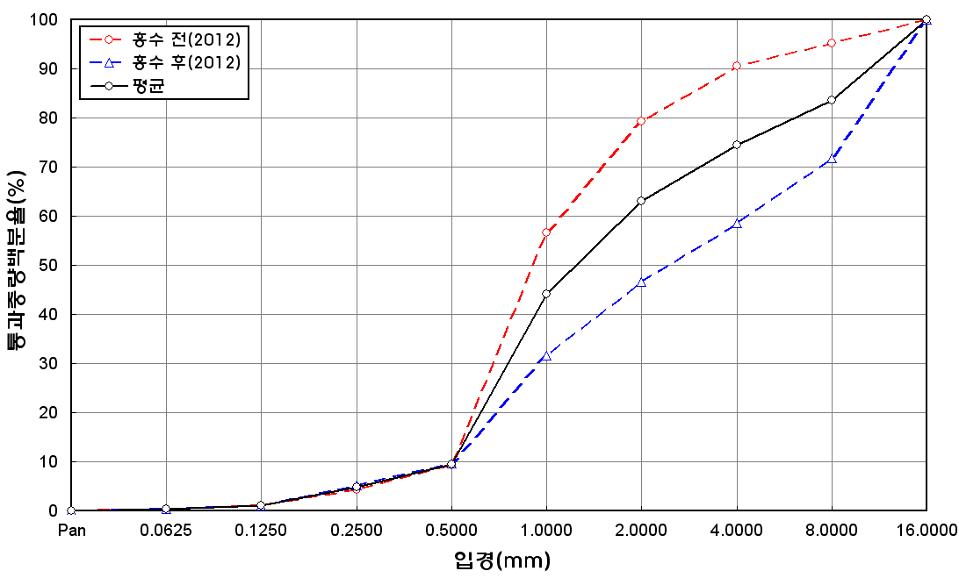
before the flood (2012)
after the flood (2012)
mean
percent passing(%)
particle size (mm)
6 | 46.4 | 13.7 | 22.4 | 11.6 | 5.8 | 0.1 | 0 | 0 | 100
7 | 46.6 | 13 | 20.1 | 11.6 | 7.4 | 0.6 | 0.6 | 0.1 | 100
8 | 41.5 | 8.4 | 41.5 | 3.1 | 5.4 | 0.1 | 0 | 0 | 100
9 | 47.6 | 16 | 22.8 | 8.8 | 4.5 | 0.1 | 0.1 | 0.1 | 100
10 | 47.6 | 13.6 | 21 | 10.5 | 6 | 0.7 | 0.4 | 0.2 | 100
11 | 48.6 | 10.6 | 21.7 | 12.5 | 6.2 | 0.2 | 0.1 | 0.1 | 100
12 | 52.9 | 15.2 | 21.8 | 7.4 | 2.1 | 0.4 | 0.2 | 0 | 100
13 | 51.4 | 15 | 21.5 | 8.3 | 3.7 | 0.1 | 0 | 0 | 100
14 | 48.4 | 13.8 | 22 | 7.1 | 6.4 | 1.5 | 0.5 | 0.3 | 100
15 | 50 | 15.8 | 22.6 | 7.2 | 2.8 | 1 | 0.5 | 0.1 | 100
16 | 45.4 | 13 | 23.4 | 18.1 | 0 | 0.1 | 0 | 0 | 100
17 | 40.6 | 20.6 | 28.1 | 7.1 | 3.6 | 0 | 0 | 0 | 100
18 | 45.7 | 12.7 | 22.4 | 12.2 | 6.8 | 0.1 | 0.1 | 0 | 100
19 | 50.3 | 15.9 | 20.8 | 5.6 | 6.5 | 0.7 | 0.2 | 0 | 100
20 | 60.3 | 7.2 | 22.4 | 6.2 | 3.7 | 0.1 | 0.1 | 0 | 100
21 | 30 | 26.9 | 25.8 | 10.4 | 6.9 | 0 | 0 | 0 | 100
22 | 48.3 | 17.4 | 24.4 | 7.2 | 2.7 | 0 | 0 | 0 | 100
23 | 45.8 | 17 | 24.7 | 9.3 | 3.2 | 0 | 0 | 0 | 100
min | 30 | 7.2 | 19.5 | 3.1 | 0 | 0 | 0 | 0 | -
max | 60.3 | 26.9 | 41.5 | 18.1 | 7.9 | 1.5 | 0.8 | 0.3 | -
mean | 47.4 | 15 | 23.6 | 8.8 | 4.7 | 0.3 | 0.2 | 0 | 100

